
 |  |  |  | CODE: |  |  | pl1252 aa SN from 98L000
DESCRIPTION: |  | ELECTRIC UNIT 3 |  | ELEKTRISCHE GRUPPE 3 | GROUPE ELECTRIQUE 3 | GRUPO ELÉCTRICO 3 | PARTI ELETTRICHE 3
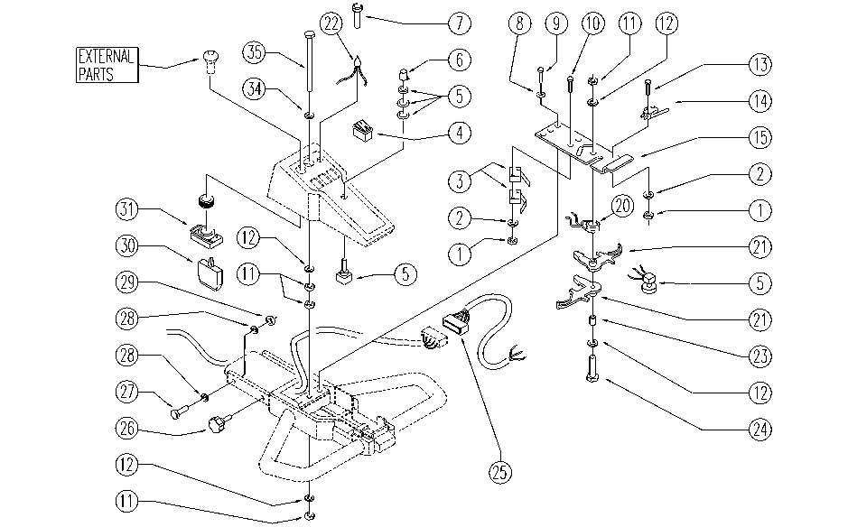

REF. | CODE | DESCRIPTION | QT
1 | E89274 | Nut | 4
2 | E89275 | Washer | 4
3 | E86527 | Microswitch | 2
4 | E86423 | Bipolar Switch | 3
5 | E86837 | Potentiometer | 2
6 | E86644 | Knob for Potentiometer | 1
7 | E86421 | Reflector | 1
8 | SL06016 | WASHER | 2
9 | SL04148 | SCREW | 2
10 | SL04031 | SCREW | 2
11 | E86552 | nut | 4
12 | E86707 | Cham Washer D10 | 4
13 | E86597 | screw | 2
14 | E86823 | Micro Switch | 1
15 | SL09616 | PLATE | 1
20 | SL13061 | SPRING | 1
21 | E89254 | Control lever AS28 | 2
22 | E86640 | Control Battery Light | 1
23 | SL07224 | BUSHING / BUSH | 1
24 | E86708 | Screw TE M 6-35 | 1
25 | SL23918 | WIRING | 1
26 | E86674 | AS28 Knob | 2
27 | SL04001 | SCREW | 2
28 | E88091 | Washer | 4
29 | E86853 | Nyloc Hex Nut, M8 Zinc | 2
30 | E86988 | Operator D22 | 2
31 | E86988 | Operator D22 | 1
34 | E86700 | Cham Washer D6 | 1
35 | SL04182 | SCREW | 1

